Data
Caffeine |  |  |  | LINEST For Direct Calibration Plot of Caffeine |  |  |  | Green beans - San Salvador
Standard | Additions (mL) | Concentrations (mg/mL) | Area (mAU*s) | m | 4518.769 | 1.649 | b | Compound | Area (mAU*s) | Concentration (mg/mL) | Actual concentraton (mg/mL) | Error act. conc (mg/mL) | (%w/w) | error in wt% | Type of bean | Mass of bean (mg) | (% w/w)Caffeine | Error in | (% w/w)Chlorogenic acid | Error in
1 | 0.5 | 0.025 | 118.86 | um | 49.708 | 4.691 | ub | Caffeine | 121.58208 | 0.026541151851 | 0.13270575926 | 0.37758453149 | 3.59638567 | 10.232710775 | Green | 1049.9 | 3.60 | 10.23 | 3.13 | 2.34
2 | 1.0 | 0.050 | 223.46 | R2 | 0.9998 | 4.773 | sy | Chlorogenic Acid | 162.63139 | 0.088123172393 | 0.44061586196 | 0.32871491701 | 3.1309164397 | 2.3357750517 | Roasted | 1096.5 | 3.48 | 9.91 | 0.75 | 0.56
3 | 2.0 | 0.100 | 451.17 | Fisher value | 8263.91 | 2 | df
4 | 3.0 | 0.150 | 681.70 | Regression SOS | 188240.172 | 45.55717 | Residual SOS |  |  |  |  |  |  |  | tR (min) | 1.7780
 |  |  |  |  |  |  |  |  |  |  |  |  |  |  | wh/2 (min) | 0.1327
Chlorogenic acid |  |  |  | LINEST For Direct Calibration Plot of Chlorogenic Acid |  |  |  | Roasted Beans - Nicaragua |  |  |  |  |  |  | N | 994.56
Standard | Additions (mL) | Concentrations (mg/mL) | Area (mAU*s) | m | 2177.440 | -29.252 | b | Compound | Area (mAU*s) | Concentration (mg/mL) | Actual concentraton (mg/mL) | Error act. conc (mg/mL) | (%w/w) | error in wt%
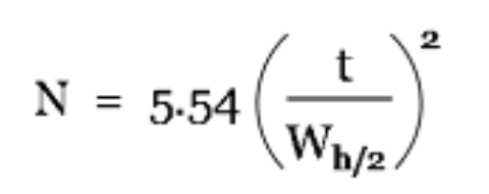
1 | 0.5 | 0.017 | 24.66 | um | 323.712 | 21.385 | ub | Caffeine | 122.91828 | 0.026836851855 | 0.13418425928 | 0.38179127233 | 3.4819085484 | 9.9069917384
2 | 1.0 | 0.035 | 37.28 | R2 | 0.958 | 21.757 | sy | Chlorogenic Acid | 18.47443 | 0.021918395316 | 0.10959197658 | 0.081759465773 | 0.74564036273 | 0.55627423764
3 | 2.0 | 0.070 | 103.01 | Fisher value | 45.25 | 2 | df
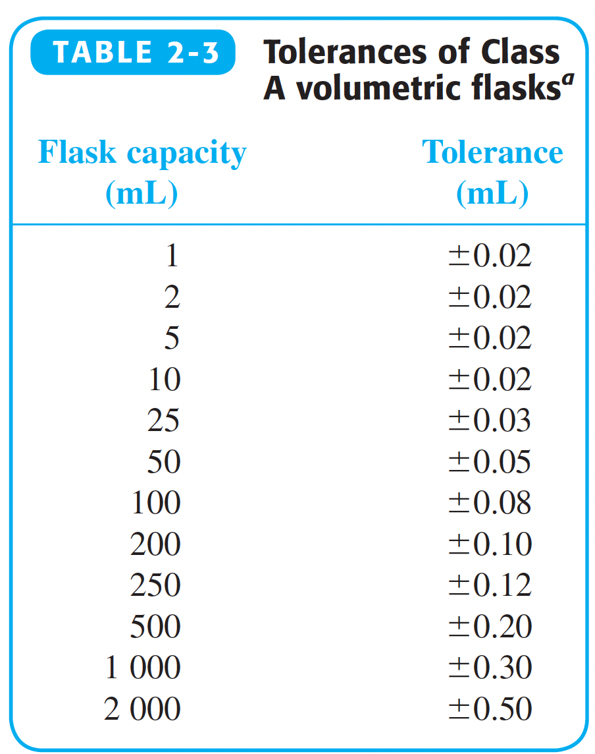
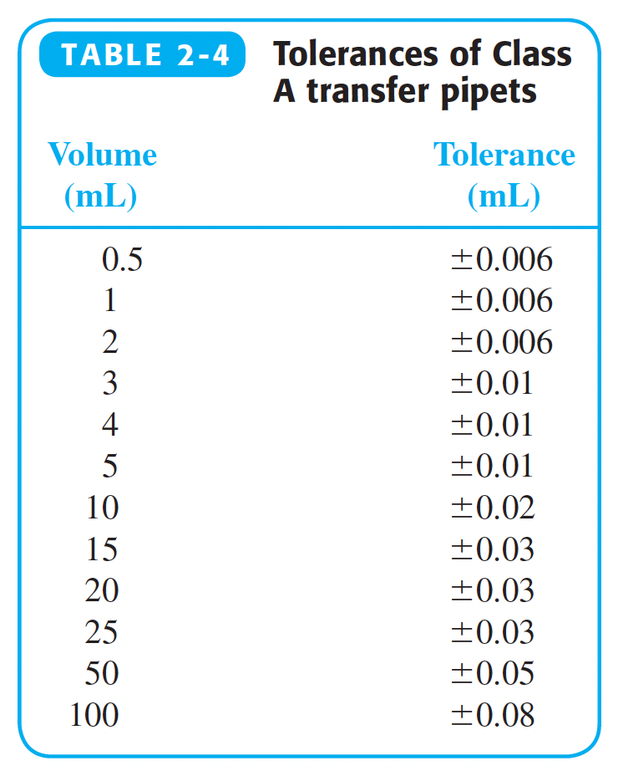
4 | 3.0 | 0.105 | 213.41 | Regression SOS | 21417.101 | 946.70719 | Residual SOS

Stock Solutions (mg/mL)
Caffeine | 0.50
Chlorogenic acid | 0.35
 |  |  |  |  |  |  |  |  |  |  |  |  |  |  | Type of Beans | [Caffeine] (mg/mL) | Sigma caffeine (mg/mL) | [Chlorogenic Acid] (mg/mL) | Sigma chlorogenic acid (mg/mL)
 |  |  |  |  |  |  |  |  |  |  |  |  |  |  | Green | 0.133 | 0.378 | 0.441 | 0.329
 |  |  |  |  |  |  |  |  |  |  |  |  |  |  | Roast | 0.134 | 0.382 | 0.110 | 0.082

